Summary and Charts
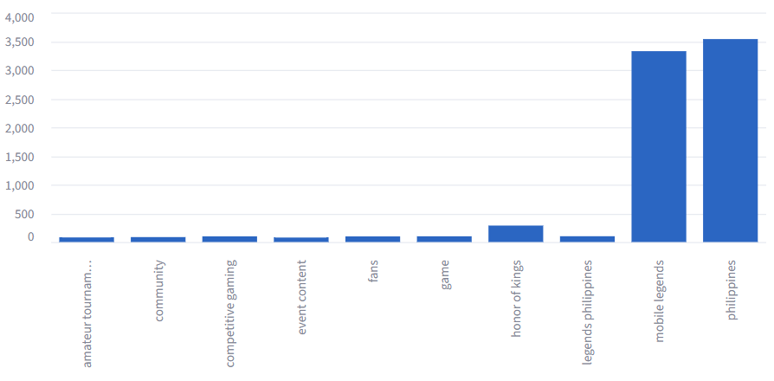
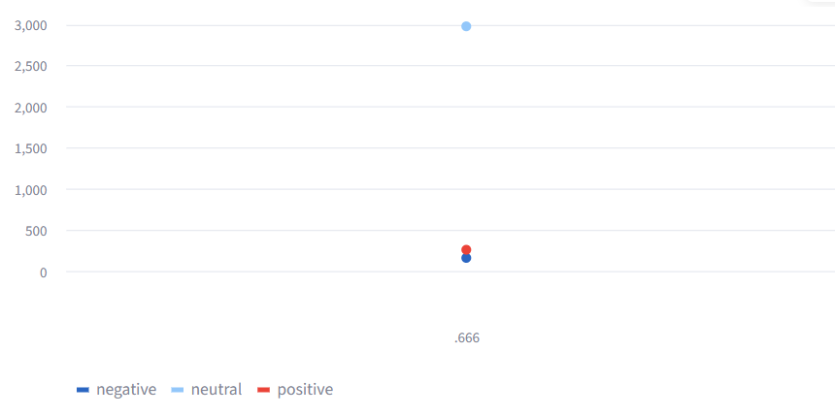
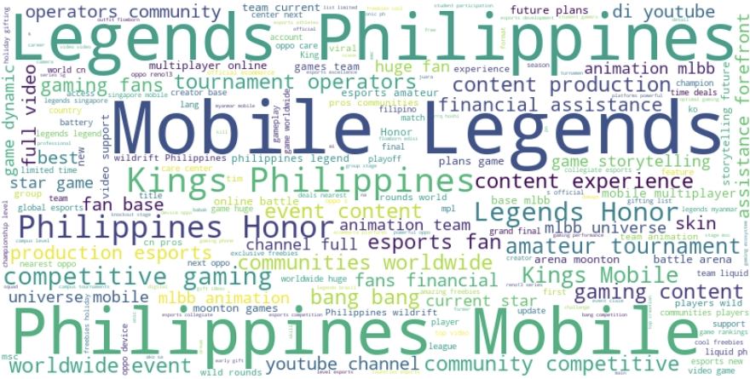
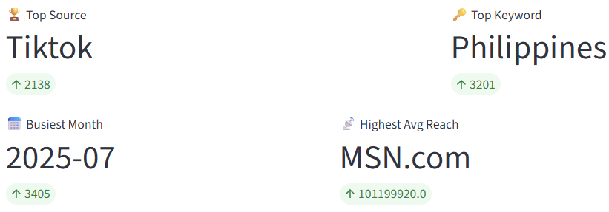
Sentiment | Count | Keywords | Count
neutral | 2976 | philippines | 3538
positive | 264 | mobile legends | 3327
negative | 165 | honor of kings | 287
 |  | legends philippines | 101
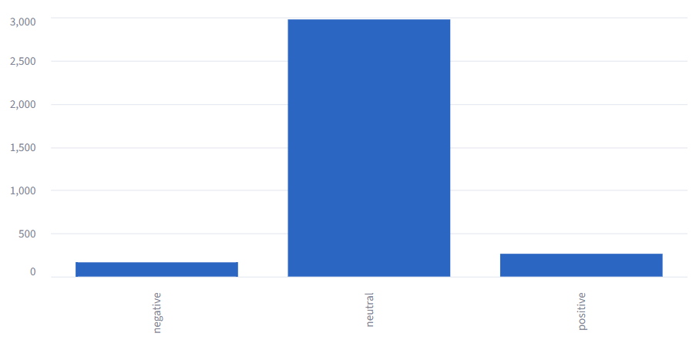
 |  | game | 100
 |  | competitive gaming | 99
 |  | fans | 98
 |  | community | 86
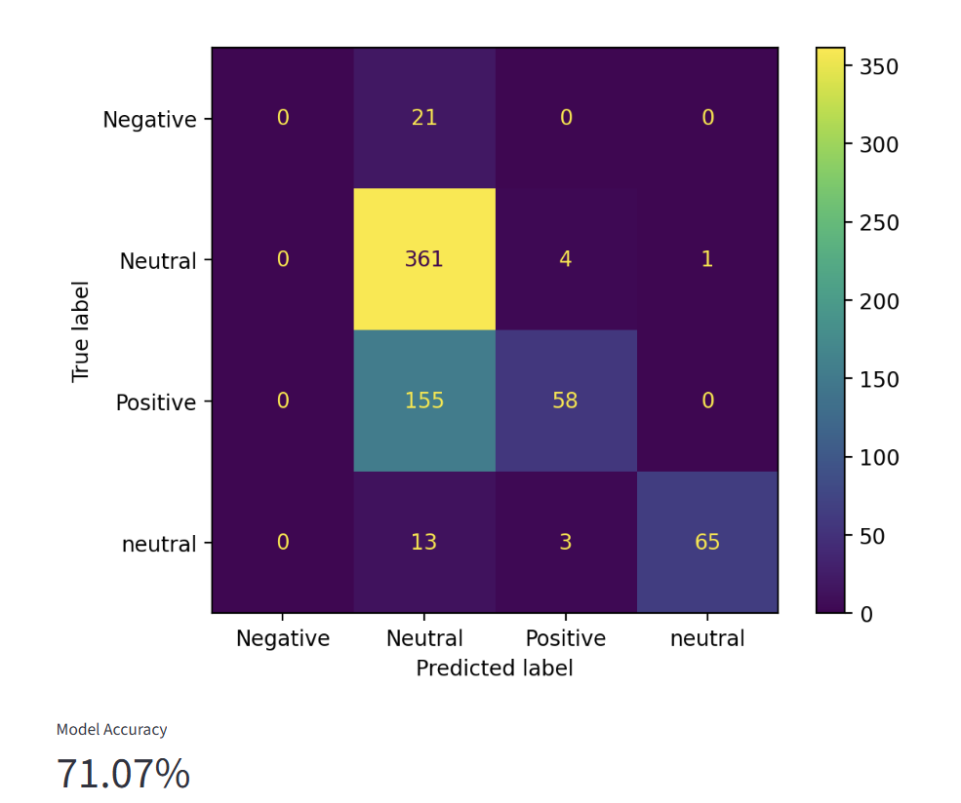
 |  | amateur tournament operators | 80
 |  | event content | 78

